Sheet1
WHAT WE HAVE SO FAR | WHAT TO CLARIFY WITH JOANNA DURING MEETING

DATA ANALYSIS POSSIBILITIES | 1. Parallel and perpendicular cuts of samples analysed (their main difference AGAIN)
Polar integration to yield info on d-spacing ? Future work | 2. Calculate core fraction based on intensities from graphs
Azimuthal integration yields info on anisotropy (orientation, angle based on peaks) | 3. What is the 15 mm length scale in the injection process (15 mm width? where the injection rate is 2 mm/s

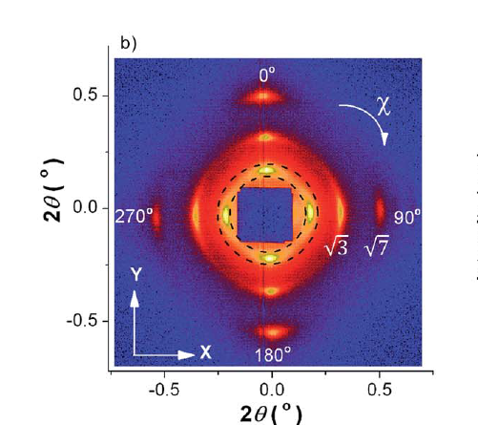
Velocity and shear stress at wall calculation possibly | 4. Theta angle or scattering angle
Skin and core fractions

ASK JOANNA ABOUT ORIENTATION ANGLE (VECTOR ANGLE) AND VECTOR LENGTH

